NOx -Others
18-3 |  |  |  |  |  |  |  | 2020-10-08
 | NO2- and NO3- for Tissue, Blood and other Samples

D-13
D-5
D-14
D-10)
NO2- Nitrite
NO3- Nitrate
 |  | 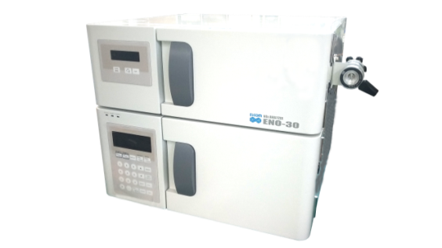 |  |  | 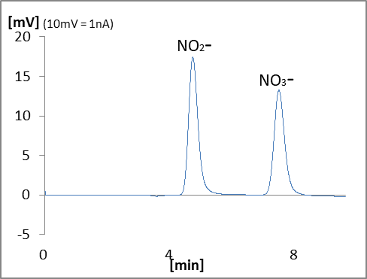

 |  | Name | Type | Code | QTY | Unit Price (JPY) | Price (JPY) | Remark
 | Device
 | D-5 | Nox Analyzer | ENO-30 | 503000 | 1 |  | 0
 | D-10 | Autosampler | M-510 | 740100 | 1 |  | 0
 | D-13 | Data Processor | EPC-710 | 793000 | 1 |  | 0
 | D-14 | Computer |  |  | 1 | depends on specs |  | Windows
 | Mentenance Kit
 |  | Check Valve Assy (Inlet) | HT-IV | 550570 | 2 |  | 0
 |  | Check Valve Assy (Outlet) | HT-OV | 550571 | 2 |  | 0
 |  | Precolumn Suction Adapter | PA-05 | 680700 | 1 |  | 0
 |  | Spanner 8-10mm | SM0810 | 900056 | 2 |  | 0
 | Other
 |  | NOx reagent set | NORSET | 502035 | 1 |  | 0 | Mobile phase, Reaction liquid A&B
 |  |  |  | Total |  |  | 0

