AA-Others
10-3 |  |  |  |  |  |  |  | 2020-10-08
 | Amino Acids for Tissue, Blood and other Samples

D-13
D-12
D-1
D-14
D-10
Asp Aspartic acid Glu Glutamic acid
Gln Glutamine HSer (IS) Homoserine
Gly Glycine Tau Taurine Ala Alanine
GABA Gamma-Aminobutyric acid
 |  |  |  |  | 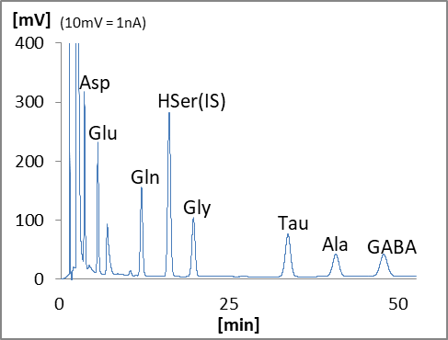

 |  | Name | Type | Code | QTY | Unit Price (JPY) | Price (JPY) | Remark
 | Device
 | D-1 | HPLC-ECD system | HTEC-510 | 540510 | 1 |  | 0
 | D-10 | Autosampler | M-510 | 740100 | 1 |  | 0
 | D-12 | Mobile Phase Switching Valve | ELS-500 | 550550 | 1 |  | 0
 | D-13 | Data Processor | EPC-710 | 795000 | 1 |  | 0
 | D-14 | Computer |  |  | 1 | depends on specs |  | Windows
 | Column
 |  | EICOMPAK Separation Column | SA-5ODS | 680055 | 1 |  | 0 | 3.0φx150mm
 |  | Prepacked PreColumn 4.0mm | PC-04CA | 681421 | 1 |  | 0 | 4φ x 5mm, for sample
 |  | Prepacked PreColumn 4.0mm | PC-04CA | 681421 | 1 |  | 0 | 4φ x 5mm, for mobile phase
 | Electrode
 |  | Glassy Carbon Working Electrode | WE-GC | 100020 | 1 |  | 0
 |  | Gasket 25 μm | GS-25 | 100080 | 1 |  | 0 | 3pcs/pkg
 | Mentenance Kit
 |  | Check Valve Assy (Inlet) | HT-IV | 550570 | 2 |  | 0
 |  | Check Valve Assy (Outlet) | HT-OV | 550571 | 2 |  | 0
 |  | Precolumn Suction Adapter | PA-05 | 680700 | 1 |  | 0
 |  | Spanner 8-10mm | SM0810 | 900056 | 2 |  | 0
 |  |  |  | Total |  |  | 0

